Environmental Cleaning Audit
Environmental Cleaning Audit Tool

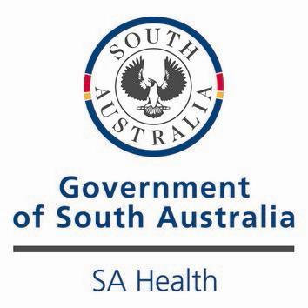

This audit tool has been adapted from the tool developed by the Clinical Excellence Commission, NSW (June 2012)

Introduction
Introduction

The Environmental Cleaning Audit workbook has been designed to assist health facilities to conduct cleaning inspections, record the results and develop an action plan if required. This workbook contains instructions on how use the tool, standards to be reached for each element, a sample audit score sheet along with the audit score sheet and action plan. This workbook is to be used in conjunction with the Cleaning Standard and Cleaning Schedule for Healthcare Facilities developed by SA Health.

Each functional area in a health facility is assigned to one of three risk categories based on the risk of transmission of infection to a patient or visitor. The frequency to audit each functional area is also based on the level of risk assigned to that area. In addition each functional area has its own minmum acceptable quality level (AQL) of cleanliness that must be achieved (equivalent to the overall percentage score for that functional area). High Risk is 90%, Moderate Risk is 85% and Low Risk is 85%.

Auditors input a score for the cleanliness of specific elements such as walls, surfaces, flooring, etc, in each functional area. These elements are scored as "1" for satisfactory and "0" for unsatisfactory. When an item is N/A leave the "X" in the box. For an element to achieve a "1" score all parts of that element must be of the same standard. The data will automatically calculate the Total Score achieved against the potential achievable score for each element. The Functional Area Overall Percentage Score is then automatically calculated. For an area to pass the audit, the Overall Percentage Score should be at or above the AQL for a functional area of the assigned risk category.

An audit score less than the required score for each Functional Area indicates an unsatisfactory level of compliance and improvement is required. Issues are to be indentified on the action plan along with actions to improve compliance. Each Functional Area has its own time frames for rectifying poor compliance issues.

While the audit tool contained in this work book is not mandatory for facilities to use, facilities are required to conduct audits and develop action plans to fulfil the requirements of the National Safety and Quality Health Service Standards (Standard 3.15) and base the audits on the outcome standards to be reached for each element outlined in this workbook.

Instructions
Instructions on using the Audit Tool

Step 1: Insert the name of the functional area, auditor and date across the top

Step 2: Insert the names of the rooms or room numbers of the Functional area down the left hand column

Step 3: Insert "1" for satisfactory, "0" for unsatisfactory and "n/a" for not applicable, for each room and under each element that is being inspected. The box will automatically go blue or red depending on the number inserted, and yellow for "n/a".
The pop-up box for Allowed Values can be temporarily moved out of the way using the mouse, if required.

Step 4: Achievable Score, Total Score and Overall Percentage Score will be automatically calculated.

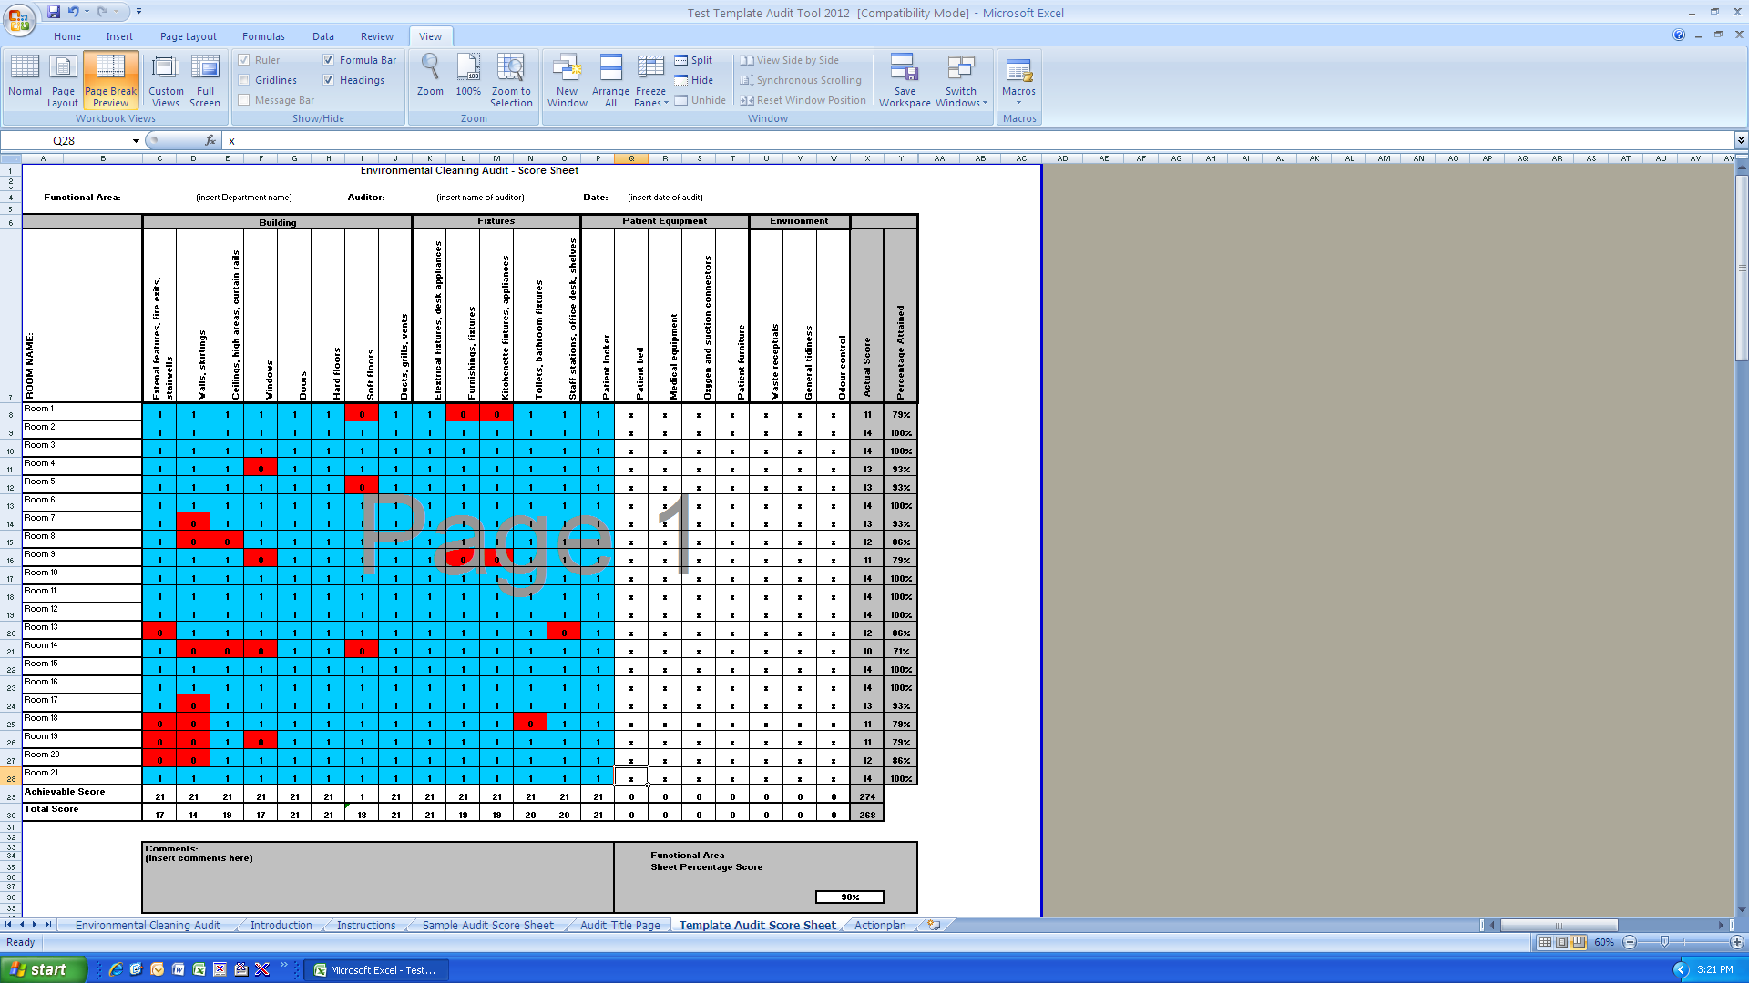

Step 1

Step 2

Step 3

Step 4

Any problems should be noted in the comments section

Audit Title Page
Environmental Cleaning Audit

Facility:

Department:

Functional Risk & Rating Level:

Date of Audit:

Name of Auditor:

